CategoryDefinition
Calculate Gain/Loss(Ctr + J)
Generate Bill Wise Details[New Sheet](Ctr + K)
Category | Period |  |  | Start Date: | 01/04/2008 | Client Name: | Xyz Co
Equity | 1 |  |  | End Date: | 31/03/2019
Debt | 3
Unlisted | 2
 |  | NOTE:
 |  | 1) | New Categories can be defined by sequentially adding new rows to the table in CategoryDefinition Sheet
 |  | 2) | Period mentioned in CategoryDefinition sheet represents year.(1=365 days, 2=730 days,3=1095 days)
 |  | - | If difference between sale and purchase date of a script <= Period, it will be calculated as STCG/L
 |  | - | If difference between sale and purchase date of a script > Period, it will be calculated as LTCG/L
 |  | 3) | Scripts in the sales sheet can only be selected from the ones that appear in the Purchase Sheet
 |  | 4) | Ensure no blank rows appear between rows in the purchase/Sales sheet before calculating Gain/Loss.
 |  | 5) | Ensure no decimals appear in column "Quantity" in both Purchase/Sales worksheets.
 |  | 6) | Do not input any values in the column named "Balance" in Purchase(Column H)/Sales(Column G) worksheets.
 |  | 7) | Sheets shaded in green are the Input sheets. Please input values in these sheets only. (CategoryDefinition, Purchase, Sales)
 |  | 8) | Sheets shaded in orange are Output sheets. They have been derived from input sheets. Please do not input any values in these sheets
 |  | 9) | Cells highlighted in Yellow in any of the output sheets are caused due to error in data and need attention.
 |  | 10) | To get Predictive auto-complete for the name of scripts in Sales sheet, Double click on the active cell and start typing or click on the dropdown and start typing
 |  | 11) | Please check for inconsistency in Name of scripts column in Sales sheet. The results will not be accurate if data is inconsistent. Example-
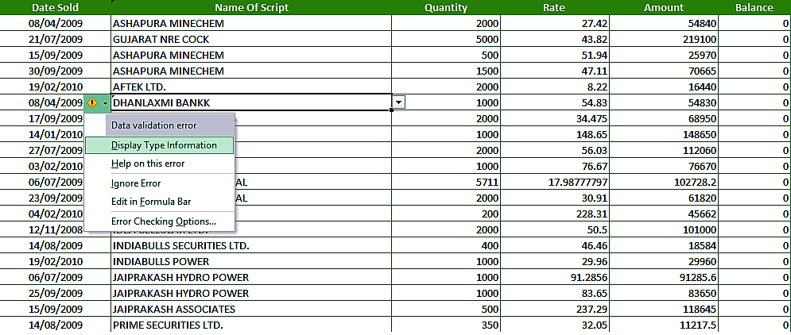

 |  | 13) | Dates in the Sale worksheet can only be from within the range mentioned between the dates entered in start and End dates in CategoryDefinition Sheet above.
 |  | 14) | Keep the same zoom level same for all sheets before running the program for better performance.
 |  | 15) | Trim script names and change it to upper case before running the program for best performance(=trim(cellref),=upper(cellref))
 |  | 16) | For Bonus issue use settlement no as '999' , for Pub Issue use '899' , for off market purchase sale use '799'
 |  | 17) | Add formula in the Amount columns in Purchase(column G) and Sales(Column F) in case the formula is missing. Formula to add- =[@Quantity]*[@[Rate ]]
 |  | 18) | In case dates are not restricted in Sales sheet, please enter the following Data Validation settings to do the same.
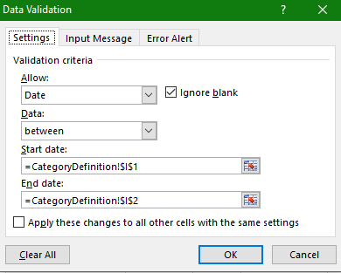

 |  | 19) | STT paid column in GainLoss sheet will get updated only after generating billwise Details(Ctr + K)

